EPD
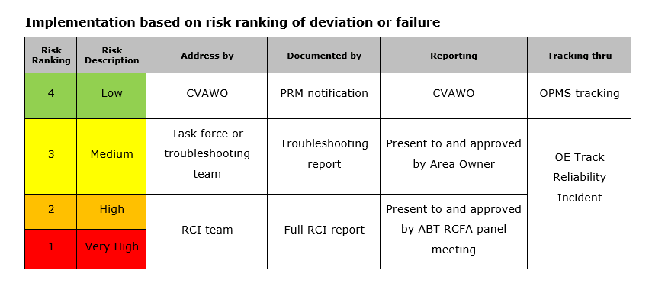
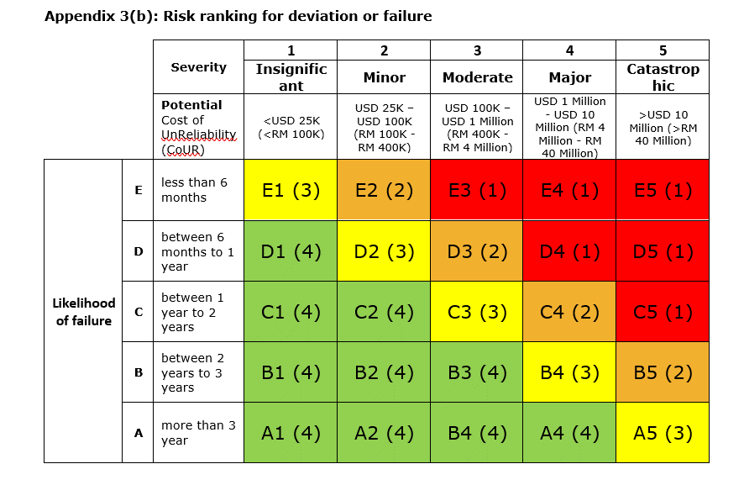
Plant | Unit | Main Equipment | Equipment | Tag No | Criticality | Failure Type | Failure Data |  |  |  |  |  | Repair Data |  |  |  |  | Degradation Failure Data |  |  |  |  |  |  | Risk Data |  |  | Has deviation occurred? | RCI Triggered? | Opportunity For Optimization? | Remarks
 |  |  |  |  |  |  | Failure Mode/Failure mechanism | MTBF / MTTF (years) | Failure Distribution | Parameter 1 | Parameter 2 | Parameter 3 | MTTR (days) | Repair Distribution | Parameter 1 | Parameter 2 | Parameter 3 | Degradation type | Unit Measurement | Nominal Measurement | Abnormal (P) Measurement | Current Measurement | Degradation rate | Degradation rate unit | Likelihood of failure | Severity | Risk (Appendix 3(b))
UK COGEN | GT | TRANSMITTER, PRESS TURBINE EXHAUST GAS | TRANSMITTER, PRESS TURBINE EXHAUST GAS | 121PZA-1E74B-TX | C1 | Critical Failure | Sensor Drift | 3.73 | Simple Average |  |  |  | 1.52 | Simple Average |  |  |  |  |  |  |  |  |  |  | A | 1 |  | N | N | Y

EPD UK DEMIN BREAKGLASS, SUB ST
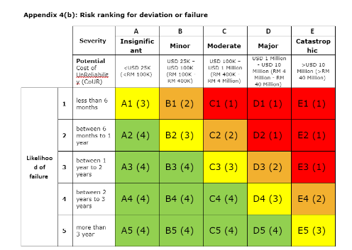
1 | Equipment Name | BREAKGLASS, SUB STN. 6
 | Equipment Type
 | Tag No | 106HZA-016-PB
 | Target MTBF (years)
 | Target MTTR (days)
 | Equipment in operation since |  |  |  |  |  |  |  |  |  |  |  | suspended | sap
 | Equipment Tracking Start Date
 | TODAY
 |  |  |  |  |  |  |  |  |  |  |  | Proactive Maintenance Notification Created From PPM or PDM finding
 | Notification number | Notification Description | Top Opportunity/ Equipment Subsystem | Type Of Failure (Critical = F/ Degraded= D /Incipient= I/Suspended=S) | Part Damage | Damage Description | Cause Description | Malfunction Start Date | Malfunction End Date | Time Between Failure (Years) | Time Between Repair (Days) | PRM Notification | Date Notified | PRM Work Orders | Status
Example | 20333210 | Lube oil detected at high alarm, lube oil cooler found insufficient cooling |  |  | Tube | Block / Clogged | Foreign Material | 5/1/15 | 5/5/15
 |  | 1st observation date |  |  |  |  |  | 22/10/2015 12:00 AM |  |  |  | N/A | N/A | N/A | N/A
 | 23665735 | TO REPLACE MANUAL CALL POINT AT SUB 6 | PPM Work | F | CONTROLLING SYSTEM | Routine / proactive Maintenance | CONFIGURATION ERROR | 11/28/17 | 12/6/17 |  | 8.00
 | 24197164 | SUB 6 BREAK GLASS (HZA-016) SWITCH KAPUT | CALL POINT | F | PTG CAUSE CODES | Wear/Abrasion | Time-Internal | 5/31/21 | 6/22/21 |  | 22.00
 |  | last observation date |  |  |  |  |  | 22/10/2023 12:00 AM
 |  |  |  |  |  |  |  |  |  | General MTBF
 |  |  |  |  |  |  |  |  |  | General MTTR

